Consolidasi
PT. SUMI RUBBER INDONESIA
WP | PROSEDUR PENGGUNAAN FA SYSTEM CONSOLIDASI |  |  |  | WE-837/00

TUJUAN | : SEBAGAI GUIDANCE PRODUKSI DALAM PENGGUNAAN FA SYSTEM CONSOLIDASI
RUANG LINGKUP | : BEAD CONSOLIDASI
PIC | : OPERATOR, LEADER, FOREMAN DAN SUPERVISOR (PRODUKSI)
 | STAFF DAN CHIEF STAFF (WT)
Guidance Consolidasi

1. Klik 2x Icon Consolidation pada desktop

2. Input NIK tekan enter, pilih group lalu klik OK [F1]

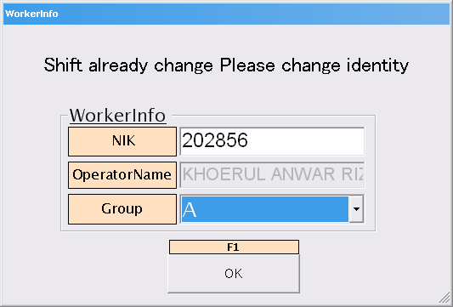

3. Tampilan utama program Consolidasi, klik SpecList [F1]

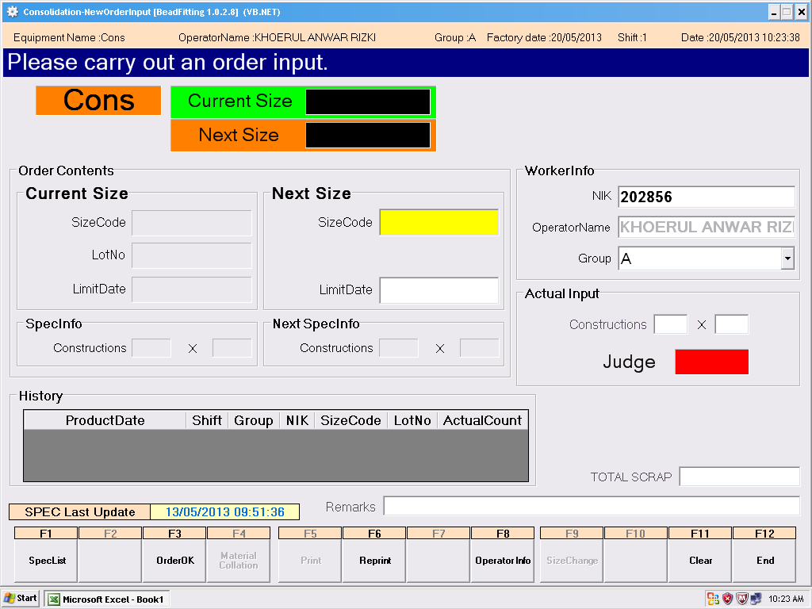

Issued date | Approved by |  | Checked by | Prepared by | Page
 |  |  |  |  | 1/5

 | Sutrisno | Juhdi M. | Chandra W. | Khoerul Anwar R.

PT. SUMI RUBBER INDONESIA
WP | PROSEDUR PENGGUNAAN FA SYSTEM CONSOLIDASI |  |  |  | WE-837/00

4. Klik atau pilih size yang akan diproduksi kemudian klik OK

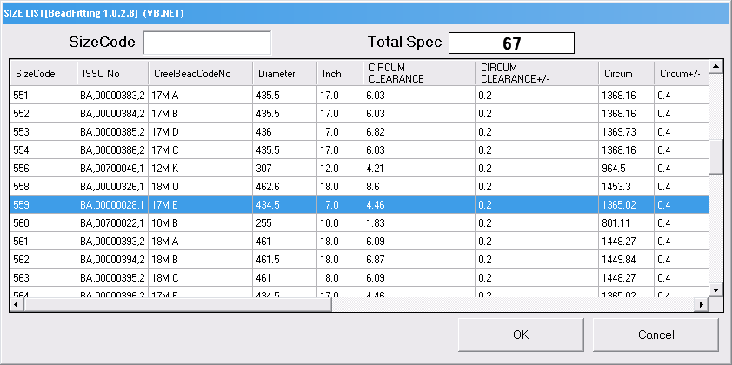

5. Klik OrderOK [F3]

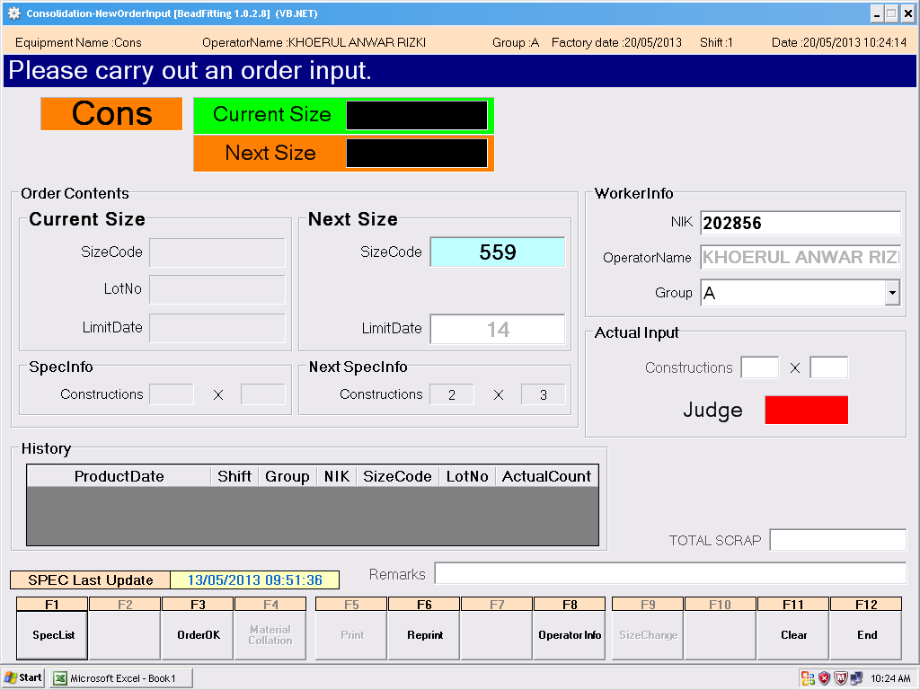

6. Klik YES(Y), untuk menuju ke tampilan collation, jika klik NO(N) akan kembali ke menu sebelumnya

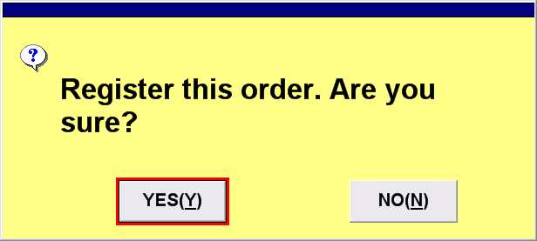

Issued date | Approved by |  | Checked by | Prepared by | Page
 |  |  |  |  | 2/5

 | Sutrisno | Juhdi M. | Chandra W. | Khoerul Anwar R.

PT. SUMI RUBBER INDONESIA
WP | PROSEDUR PENGGUNAAN FA SYSTEM CONSOLIDASI |  |  |  | WE-837/00

7. Scan ticket creel bead kemudian klik RegisterOrder [F10]
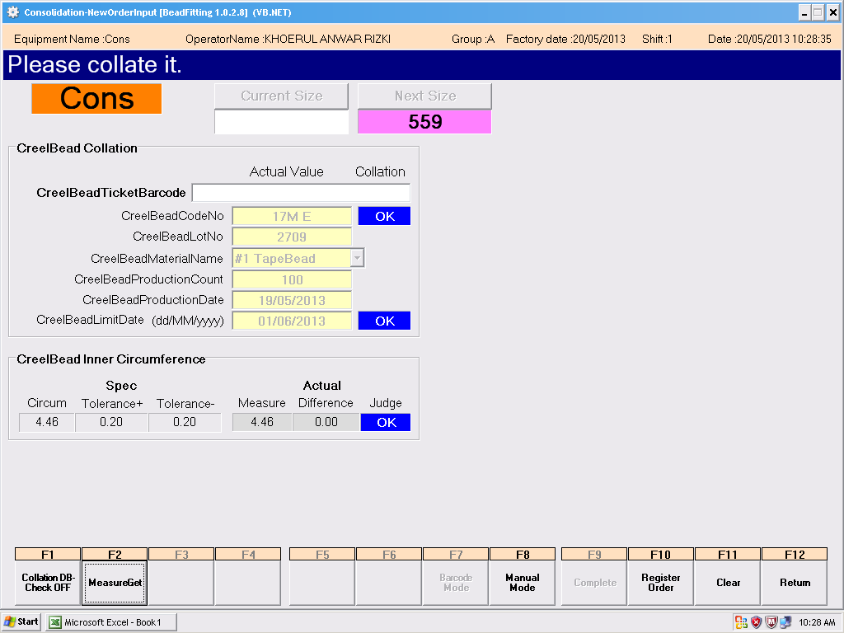

8. Klik Yes (Y) untuk menuju tampilan berikutnya, jika klik NO(N) maka akan kembali ke menu collation
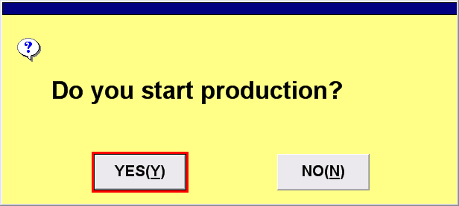

9. Klik SizeChange [F9]



Issued date | Approved by |  | Checked by | Prepared by | Page
 |  |  |  |  | 3/5

 | Sutrisno | Juhdi M. | Chandra W. | Khoerul Anwar R.

PT. SUMI RUBBER INDONESIA
WP | PROSEDUR PENGGUNAAN FA SYSTEM CONSOLIDASI |  |  |  | WE-837/00

10. Input construction dan total scrap jika ada scrap. Kemudian klik Print [F5]
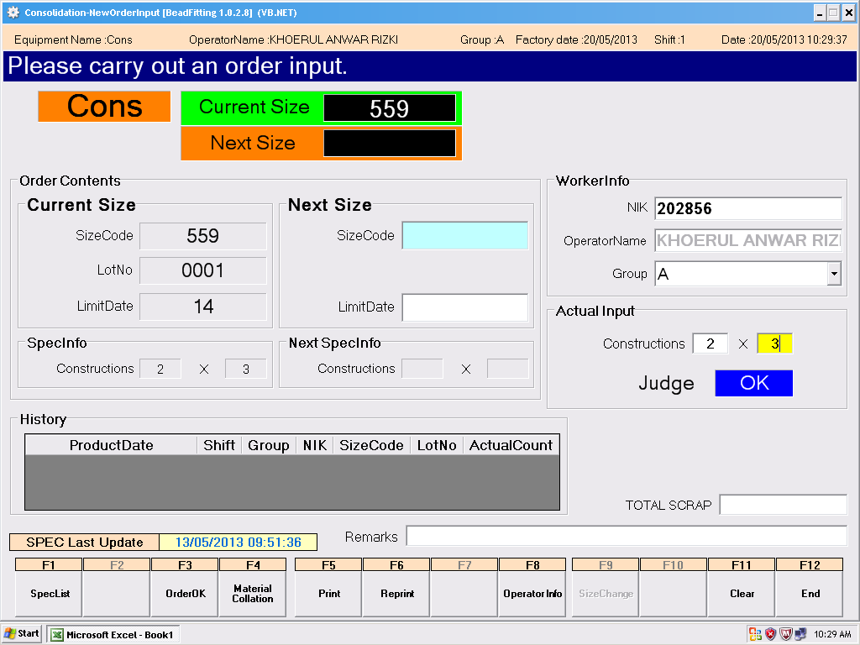

11. Input quantity per lotnya, kemudian klik Print [F1]
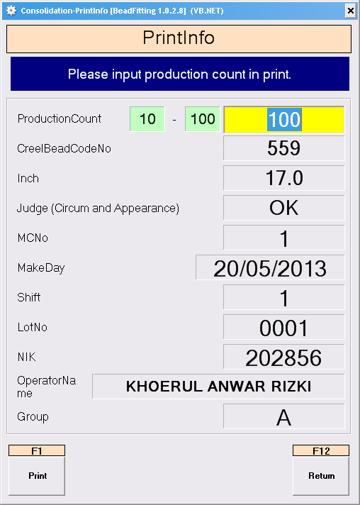

Issued date | Approved by |  | Checked by | Prepared by | Page
 |  |  |  |  | 4/5

 | Sutrisno | Juhdi M. | Chandra W. | Khoerul Anwar R.

PT. SUMI RUBBER INDONESIA
WP | PROSEDUR PENGGUNAAN FA SYSTEM CONSOLIDASI |  |  |  | WE-837/00

12. Klik Yes(Y) untuk print ticket, jika klik NO(N) maka tiket tidak terprint

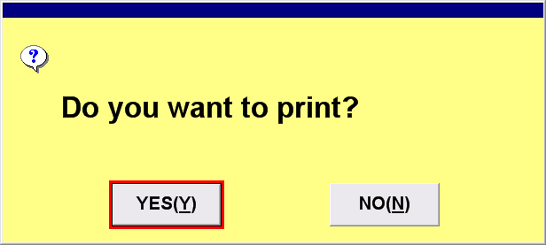

13. Hasil printout ticket Consolidasi

Issued date | Approved by |  | Checked by | Prepared by | Page
 |  |  |  |  | 5/5

 | Sutrisno | Juhdi M. | Chandra W. | Khoerul Anwar R.

